JJ
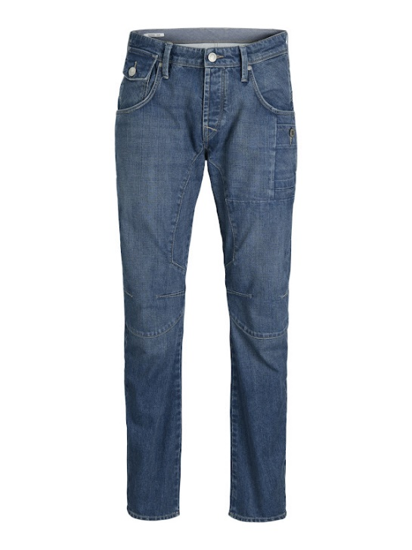
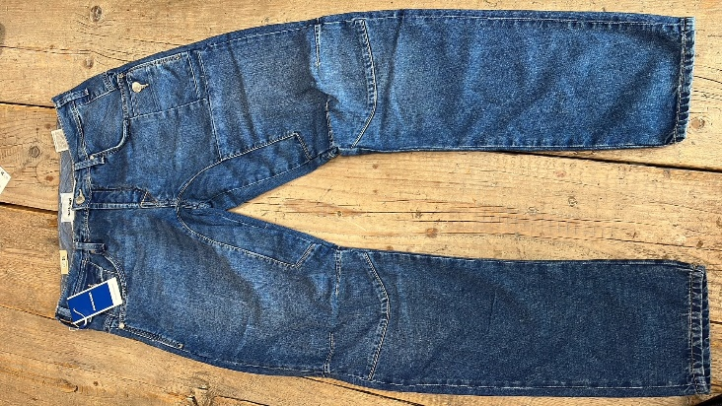
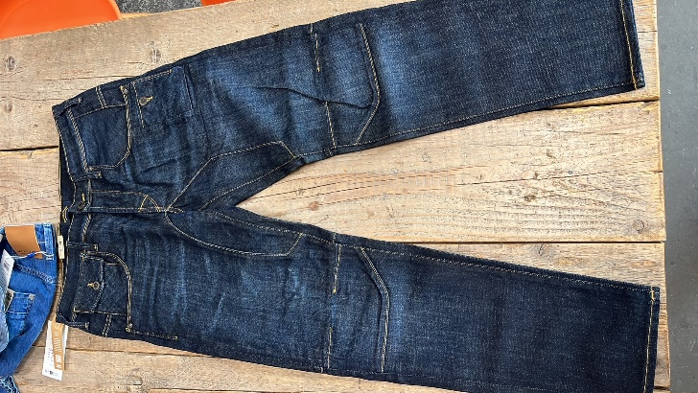
Jack&Jones Jeans

Mike
12272336 |  | 27 | 28 | 29 | 30 | 31 | 32 | 33 | 34 | 36
Blue Denim | 34" |  |  | 1 | 1 | 1 | 1 | 1 | 1 | 1 |  |  | boxes | total | RRP
 | 32" | 1 | 1 | 1 | 1 | 1 | 1 | 1 | 1 |  | 15 | box | 30 | 450 | € 79.99

 | 34" |  |  |  |  | 1 | 2 | 2 | 1
 | 32" |  |  |  | 1 | 3 | 3 | 3 | 3 | 1 | 20 | box | 36 | 720

Blue | 34" |  |  |  |  | 1 | 2 | 2 | 1
 | 32" |  |  |  | 1 | 3 | 3 | 3 | 3 | 1 | 20 | box | 16 | 320

 |  |  |  |  |  |  |  |  |  |  |  |  |  | 1490

